ChartData
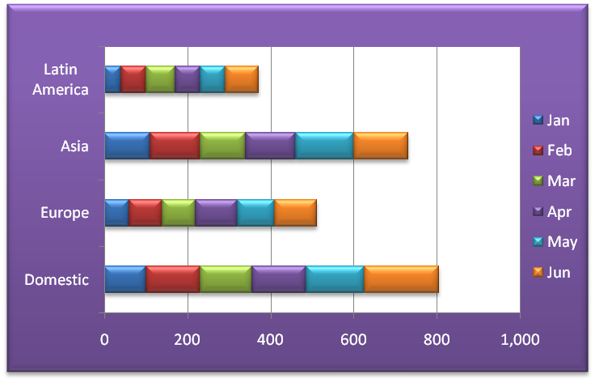
Shipping Volume (in 1000's of tons)
LearnMore Corporation
World-wide Sales - Millions of Dollars

 | Jan | Feb | Mar | Apr | May | Jun | Total | % of Total
Domestic | 100 | 130 | 125 | 130 | 140 | 180 | 805 | 33.3%
Europe | 60 | 80 | 80 | 100 | 90 | 100 | 510 | 21.1%
Asia | 110 | 120 | 110 | 120 | 140 | 130 | 730 | 30.2%
Latin America | 40 | 60 | 70 | 60 | 60 | 80 | 370 | 15.3%

Total | 310 | 390 | 385 | 410 | 430 | 490 | 2,415 | 100.0%
Average | 78 | 98 | 96 | 103 | 108 | 123 | 604

Location | 2014 | 2015 | 2016 | 2017 | 2018 | 2019
Texas | 1,482 | 1,655 | 1,788 | 2,535 | 2,366 | 2,574
Florida | 780 | 1,040 | 1,976 | 2,340 | 1,287 | 1,430
California | 2,002 | 2,028 | 2,002 | 2,964 | 2,548 | 2,873
New York | 950 | 1,326 | 1,274 | 1,482 | 858 | 1,040

 | 2014 | 2015 | 2016 | 2017 | 2018 | 2019
Texas | 1,482 | 1,655 | 1,788 | 2,535 | 2,366 | 2,574
Florida | 780 | 1,040 | 1,976 | 2,340 | 1,287 | 1,430
California | 2,002 | 2,028 | 2,002 | 2,964 | 2,548 | 2,873
New York | 950 | 1,326 | 1,274 | 1,482 | 858 | 1,040

